NoSpaces
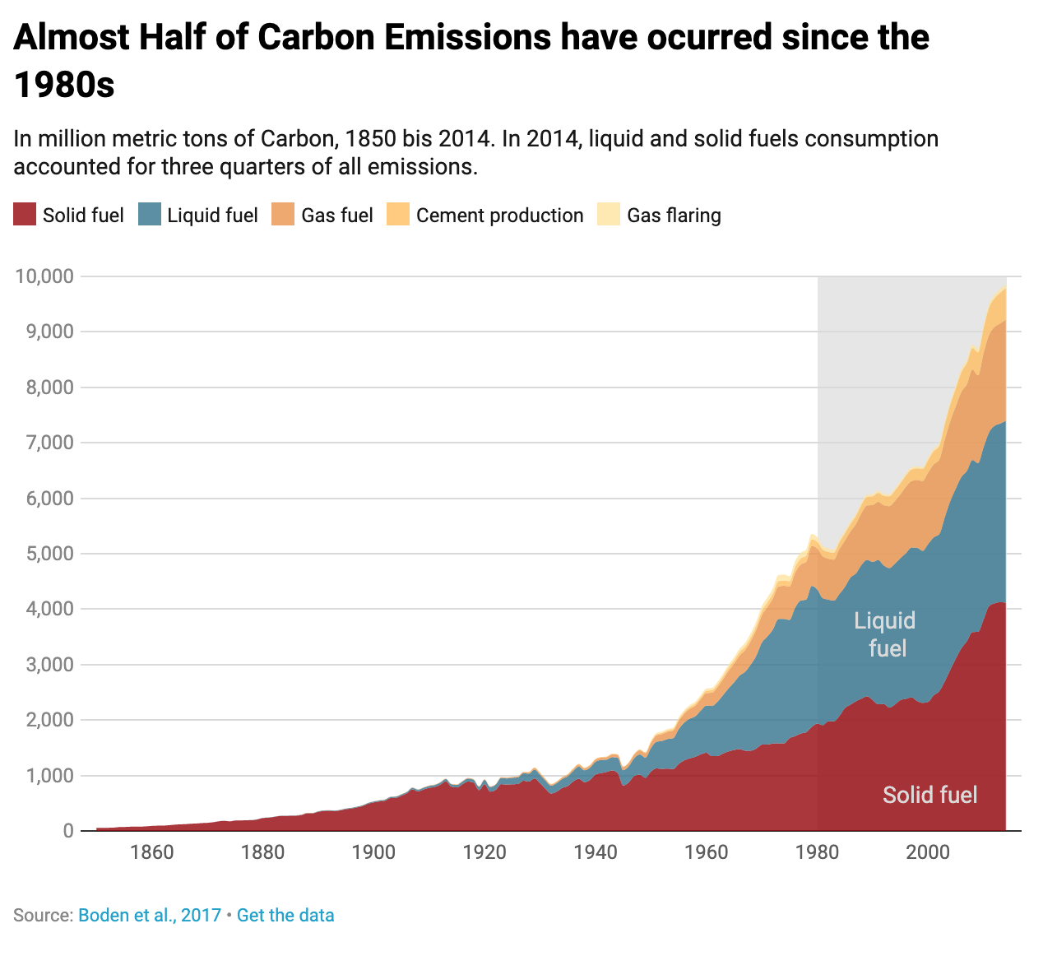
Year | Solid fuel | Liquid fuel | Gas fuel | Cement production | Gas flaring
1850 | 54 | 0 | 0 | 0 | 0
1851 | 54 | 0 | 0 | 0 | 0
1852 | 57 | 0 | 0 | 0 | 0
1853 | 59 | 0 | 0 | 0 | 0
1854 | 69 | 0 | 0 | 0 | 0
1855 | 71 | 0 | 0 | 0 | 0
1856 | 76 | 0 | 0 | 0 | 0
1857 | 77 | 0 | 0 | 0 | 0
1858 | 78 | 0 | 0 | 0 | 0
1859 | 83 | 0 | 0 | 0 | 0
1860 | 91 | 0 | 0 | 0 | 0
1861 | 95 | 0 | 0 | 0 | 0
1862 | 96 | 0 | 0 | 0 | 0
1863 | 103 | 0 | 0 | 0 | 0
1864 | 112 | 0 | 0 | 0 | 0
1865 | 119 | 0 | 0 | 0 | 0
1866 | 122 | 0 | 0 | 0 | 0
1867 | 130 | 0 | 0 | 0 | 0
1868 | 134 | 0 | 0 | 0 | 0
1869 | 142 | 0 | 0 | 0 | 0
1870 | 146 | 1 | 0 | 0 | 0
1871 | 156 | 1 | 0 | 0 | 0
1872 | 173 | 1 | 0 | 0 | 0
1873 | 183 | 1 | 0 | 0 | 0
1874 | 173 | 1 | 0 | 0 | 0
1875 | 187 | 1 | 0 | 0 | 0
1876 | 190 | 1 | 0 | 0 | 0
1877 | 192 | 2 | 0 | 0 | 0
1878 | 194 | 2 | 0 | 0 | 0
1879 | 207 | 3 | 0 | 0 | 0
1880 | 233 | 3 | 0 | 0 | 0
1881 | 239 | 4 | 0 | 0 | 0
1882 | 252 | 4 | 0 | 0 | 0
1883 | 269 | 3 | 0 | 0 | 0
1884 | 271 | 4 | 0 | 0 | 0
1885 | 273 | 4 | 1 | 0 | 0
1886 | 275 | 5 | 2 | 0 | 0
1887 | 287 | 5 | 3 | 0 | 0
1888 | 317 | 5 | 5 | 0 | 0
1889 | 318 | 6 | 3 | 0 | 0
1890 | 345 | 8 | 3 | 0 | 0 | the 1980s
1891 | 360 | 9 | 2 | 0 | 0
1892 | 363 | 9 | 2 | 0 | 0
1893 | 358 | 10 | 2 | 0 | 0
1894 | 372 | 9 | 2 | 0 | 0
1895 | 393 | 11 | 2 | 0 | 0
1896 | 405 | 12 | 2 | 0 | 0
1897 | 425 | 13 | 2 | 0 | 0
1898 | 449 | 13 | 2 | 0 | 0
1899 | 491 | 14 | 3 | 0 | 0
1900 | 515 | 16 | 3 | 0 | 0
1901 | 531 | 18 | 4 | 0 | 0
1902 | 543 | 19 | 4 | 0 | 0
1903 | 593 | 20 | 4 | 0 | 0
1904 | 597 | 23 | 4 | 0 | 0
1905 | 636 | 23 | 5 | 0 | 0
1906 | 680 | 23 | 5 | 0 | 0
1907 | 750 | 28 | 5 | 0 | 0
1908 | 714 | 30 | 5 | 0 | 0
1909 | 747 | 32 | 6 | 0 | 0
1910 | 778 | 34 | 7 | 0 | 0
1911 | 792 | 36 | 7 | 0 | 0
1912 | 834 | 37 | 8 | 0 | 0
1913 | 895 | 41 | 8 | 0 | 0
1914 | 800 | 42 | 8 | 0 | 0
1915 | 784 | 45 | 9 | 0 | 0
1916 | 842 | 48 | 10 | 0 | 0
1917 | 891 | 54 | 11 | 0 | 0
1918 | 873 | 53 | 10 | 0 | 0
1919 | 735 | 61 | 10 | 0 | 0
1920 | 843 | 78 | 11 | 0 | 0
1921 | 709 | 84 | 10 | 0 | 0
1922 | 740 | 94 | 11 | 0 | 0
1923 | 845 | 111 | 14 | 0 | 0
1924 | 836 | 110 | 16 | 0 | 0
1925 | 842 | 116 | 17 | 0 | 0
1926 | 846 | 119 | 19 | 0 | 0
1927 | 905 | 136 | 21 | 0 | 0
1928 | 890 | 143 | 23 | 10 | 0
1929 | 947 | 160 | 28 | 10 | 0
1930 | 862 | 152 | 28 | 10 | 0
1931 | 759 | 147 | 25 | 8 | 0
1932 | 675 | 141 | 24 | 7 | 0
1933 | 708 | 154 | 25 | 7 | 0
1934 | 775 | 162 | 28 | 8 | 0
1935 | 811 | 176 | 30 | 9 | 0
1936 | 893 | 192 | 34 | 11 | 0
1937 | 941 | 219 | 38 | 11 | 0
1938 | 880 | 214 | 37 | 12 | 0
1939 | 918 | 222 | 38 | 13 | 0
1940 | 1017 | 229 | 42 | 11 | 0
1941 | 1043 | 236 | 42 | 12 | 0
1942 | 1063 | 222 | 45 | 11 | 0
1943 | 1092 | 239 | 50 | 10 | 0
1944 | 1047 | 275 | 54 | 7 | 0
1945 | 820 | 275 | 59 | 7 | 0
1946 | 875 | 292 | 61 | 10 | 0
1947 | 992 | 322 | 67 | 12 | 0
1948 | 1015 | 364 | 76 | 14 | 0
1949 | 960 | 362 | 81 | 16 | 0
1950 | 1070 | 423 | 97 | 18 | 23
1951 | 1129 | 479 | 115 | 20 | 24
1952 | 1119 | 504 | 124 | 22 | 26
1953 | 1125 | 533 | 131 | 24 | 27
1954 | 1116 | 557 | 138 | 27 | 27
1955 | 1208 | 625 | 150 | 30 | 31
1956 | 1273 | 679 | 161 | 32 | 32
1957 | 1309 | 714 | 178 | 34 | 35
1958 | 1336 | 731 | 192 | 36 | 35
1959 | 1382 | 789 | 206 | 40 | 36
1960 | 1410 | 849 | 227 | 43 | 39
1961 | 1349 | 904 | 240 | 45 | 42
1962 | 1351 | 980 | 263 | 49 | 44
1963 | 1396 | 1052 | 286 | 51 | 47
1964 | 1435 | 1137 | 316 | 57 | 51
1965 | 1460 | 1219 | 337 | 59 | 55
1966 | 1478 | 1323 | 364 | 63 | 60
1967 | 1448 | 1423 | 392 | 65 | 66
1968 | 1448 | 1551 | 424 | 70 | 73
1969 | 1486 | 1673 | 467 | 74 | 80
1970 | 1556 | 1839 | 493 | 78 | 87
1971 | 1559 | 1947 | 530 | 84 | 88
1972 | 1576 | 2057 | 560 | 89 | 95
1973 | 1581 | 2241 | 588 | 95 | 110
1974 | 1579 | 2245 | 597 | 96 | 107
1975 | 1673 | 2132 | 604 | 95 | 92
1976 | 1710 | 2314 | 630 | 103 | 108
1977 | 1756 | 2398 | 650 | 108 | 104
1978 | 1780 | 2392 | 680 | 116 | 106
1979 | 1875 | 2544 | 721 | 119 | 98
1980 | 1935 | 2422 | 737 | 120 | 86
1981 | 1908 | 2289 | 755 | 121 | 65
1982 | 1976 | 2196 | 738 | 121 | 64
1983 | 1977 | 2176 | 739 | 125 | 58
1984 | 2074 | 2199 | 807 | 128 | 51
1985 | 2216 | 2186 | 835 | 131 | 49
1986 | 2277 | 2293 | 830 | 137 | 46
1987 | 2339 | 2306 | 892 | 143 | 44
1988 | 2387 | 2412 | 935 | 152 | 50
1989 | 2428 | 2459 | 982 | 156 | 41
1990 | 2359 | 2492 | 1026 | 157 | 40
1991 | 2284 | 2601 | 1051 | 161 | 45
1992 | 2290 | 2499 | 1085 | 167 | 36
1993 | 2225 | 2515 | 1117 | 176 | 37
1994 | 2278 | 2539 | 1133 | 186 | 39
1995 | 2359 | 2560 | 1151 | 197 | 39
1996 | 2382 | 2626 | 1198 | 203 | 40
1997 | 2409 | 2701 | 1197 | 209 | 40
1998 | 2343 | 2763 | 1224 | 209 | 36
1999 | 2310 | 2741 | 1258 | 217 | 35
2000 | 2327 | 2845 | 1289 | 226 | 46
2001 | 2445 | 2848 | 1316 | 237 | 47
2002 | 2518 | 2832 | 1342 | 252 | 49
2003 | 2695 | 2958 | 1397 | 276 | 48
2004 | 2906 | 3043 | 1443 | 298 | 54
2005 | 3108 | 3068 | 1485 | 320 | 60
2006 | 3293 | 3091 | 1534 | 356 | 62
2007 | 3422 | 3071 | 1562 | 382 | 66
2008 | 3587 | 3103 | 1630 | 388 | 69
2009 | 3590 | 3042 | 1584 | 415 | 66
2010 | 3812 | 3107 | 1696 | 446 | 67
2011 | 4055 | 3134 | 1756 | 494 | 64
2012 | 4106 | 3200 | 1783 | 519 | 65
2013 | 4126 | 3220 | 1806 | 554 | 68
2014 | 4117 | 3280 | 1823 | 568 | 68

